Planilha1
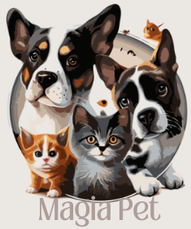
MAGIA PET

HISTÓRIA
LOREMDLKFNJDOFÇLSFNDGÇLKDFGNDFLÇKFNDGKLNDLBVÇNCLKMNGHKLFHLKFDÇGNHFLKGHNFGKLHNFGHLKFNHLKDSNHLKDGNHFLGKHNFGLKHNFGLHKNDFGHKLFLKFDGNHDFGLKNHFLDGKHNFDGLKHNFGDLKHNDFGLKHNDFGLHKNDFGLKHNDFGLHKNDFGLHKNFDGHLKNDFGHLKFDHKLFDGNHF
DEPOIMENTO 1
LOREMERNAFJBSDJHBFGJHKSFDGKJLDGBSDFJKGSBDFKJGDSBNFKGJLSDFBGKSDFJGBSDFKGBSDFKJGBSDFKGJBSFDAGKLJSDFGBSDGKLJFGBLDSFKJGBDSFKGJSFBDGKJD

DEPOIMENTO 2
LOREMERNAFJBSDJHBFGJHKSFDGKJLDGBSDFJKGSBDFKJGDSBNFKGJLSDFBGKSDFJGBSDFKGBSDFKJGBSDFKGJBSFDAGKLJSDFGBSDGKLJFGBLDSFKJGBDSFKGJSFBDGKJD
PLANO 1
PLANO 2
PLANO 3

DEPOIMENTO 3
LOREMERNAFJBSDJHBFGJHKSFDGKJLDGBSDFJKGSBDFKJGDSBNFKGJLSDFBGKSDFJGBSDFKGBSDFKJGBSDFKGJBSFDAGKLJSDFGBSDGKLJFGBLDSFKJGBDSFKGJSFBDGKJD

FAÇA UM ORÇAMENTO

NOME DO CONTRATANTE:

EMAIL:

NOME DO PET:

IDADE DO PET:

QUANTIDADE DE DIAS:

 | ENVIAR

